Sheet1
Story # | Story Description | Test Priority | Test Status | Description of Story | P2P/E2E Integration Requirements | Activity Diagram | Test Step ID | Test Steps Description | Test Input | Expected Outputs | Test Category | Actual Result | Pass/Faile | Defect-ID (JIRA)
 |  |  |  |  |  | (Control Flow) |  |  |  |  |  |  |  | (if Fail)
UDBTEY-153 | Guarantor - Manual KYC -Data fetched via FinTech API service for Driver's license |  |  | As a user (System), I want to be able to fetch and verify Guarantor details from the Data aggregator's response. This will enable the successful completion of Manual Know Your Customer (KYC) processes. The system should collect information based on the Driver's License details, display the received data, store it in the database, and provide an option to check for additional OSV documents. The goal is to ensure that accurate customer information is obtained from the data aggregator, allowing for a streamlined KYC process. Pre-conditions to Test: The system is properly configured and operational. Integration with Data aggregators via the FinTech API is established and functioning. The user has initiated the Manual KYC process. Valid input parameters (Driver's License No. and Expiry Date) are available for testing. The Data aggregator is responsive and accessible for testing. Data discrepancies or inaccuracies may be simulated for certain negative test cases. Proper error handling for exceptions such as API errors and timeouts is implemented. | Product-to-Product Integration Requirements: Data Aggregator Integration: The system must integrate with the Data Aggregator's service using a FinTech API. Establish secure authentication and authorization mechanisms to access the Data Aggregator's data. Data Mapping and Transformation: Define data mapping rules to ensure that data received from the Data Aggregator is correctly transformed and mapped to the system's data model. Handle potential data format differences and ensure data consistency. Error Handling and Logging: Implement error handling mechanisms to capture and log any errors or exceptions that occur during the integration process. Define protocols for notifying administrators or support teams in case of integration failures. Data Validation: Establish data validation checks to ensure that the data received from the Data Aggregator is accurate and meets the defined criteria. Implement mechanisms to handle invalid or inconsistent data. Performance and Scalability: Conduct load testing to ensure that the integration can handle a significant number of concurrent requests from the Data Aggregator without performance degradation. Ensure that the integration is scalable to accommodate future increases in data volume. End-to-End Integration Requirements: User Interface (UI) Integration: Ensure that the UI elements for entering Driver's License No. and Expiry Date are correctly implemented and integrated with the backend system. Verify that the fetched data from the Data Aggregator is correctly displayed on the UI. Database Integration: Validate that the fetched guarantor details are correctly stored in the database. Verify that the database schema aligns with the data structure received from the Data Aggregator. Manual KYC Workflow: Test the end-to-end manual KYC workflow to ensure that it functions as intended. Confirm that the system moves to the Quality Data Entry (QDE) phase when the data is accurate, and it re- | 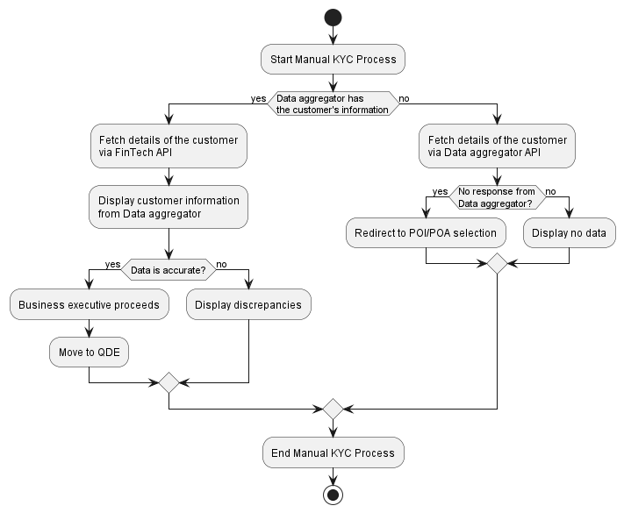 | TC01 | Successfully fetch customer data from aggregator | Valid Driver's License No. and Expiry Date | Display customer data; Business executive can proceed | Positive
 |  |  |  |  |  |  | TC02 | Store data in the Database | Valid customer data | Data is stored successfully in the Database | Positive
 |  |  |  |  |  |  | TC03 | Verify OSV checkbox functionality | Checkbox selected | OSV documents checkbox is selected | Positive
 |  |  |  |  |  |  | TC04 | Handle no response from Data Aggregator | Valid Driver's License No. and Expiry Date | Redirect to POI/POA selection screen | Positive
 |  |  |  |  |  |  | TC05 | Display accurate customer data | Valid customer data | Displayed data matches data from Data Aggregator | Positive
 |  |  |  |  |  |  | TC06 | Handle inaccurate data display | Data with discrepancies | Displayed data highlights discrepancies | Negative
 |  |  |  |  |  |  | TC07 | Handle no data from Data Aggregator | Data Aggregator response: No data available | Displayed data fields remain empty | Exception
 |  |  |  |  |  |  | TC08 | Handle FinTech API error | FinTech API returns an error response | Proper error message is displayed | Exception
 |  |  |  |  |  |  | TC09 | Verify Business executive's ability to proceed | Valid customer data | Business executive can proceed to QDE | Positive
 |  |  |  |  |  |  | TC10 | Verify correct re-routing to POI/POA selection | No response from Data Aggregator | Redirect to POI/POA selection screen | Positive
 |  |  |  |  |  |  | TC11 | Handle inaccuracies in customer data | Data with inaccuracies | Displayed data highlights inaccuracies | Negative
 |  |  |  |  |  |  | TC12 | Handle empty response from Data Aggregator | Data Aggregator response: Empty response | Displayed data fields remain empty | Exception
 |  |  |  |  |  |  | TC13 | Handle FinTech API connection timeout | FinTech API connection times out | Proper connection timeout error message is displayed | Exception

